Euro Cav Cavity Sliders
Altro Australia Euro Cavity Slider Order Form |  |  |  | Please email to sales@altro.net.au once completed
 |  |  |  |  |  |  |  |  |  |  | HANDING: LH / RH is viewed as shown in the diagram. The side only matters for ARCHITRAVE & SHADOWLINE finishes. SQUARE-SET: both thicknesses still required, either side is fine.
Company Name:
Project Name:
Contact Name:
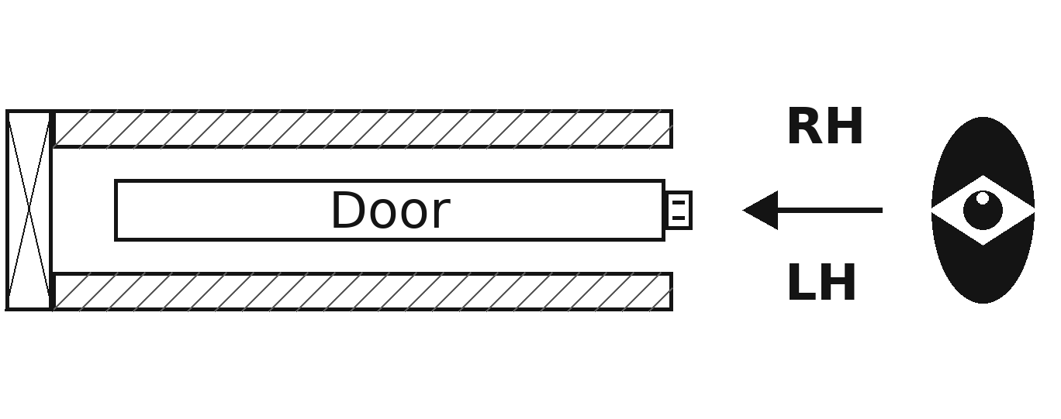
Email:
Contact Number:
Delivery Address: |  |  |  |  |  |  |  |  |  |  | NON-STANDARD LINING (not 10 or 13, e.g. tiled wall): please write the full wall build-up in the Notes column, e.g. "6mm villaboard + 5mm glue + 10mm tile".

Date Required On-Site:

 | *** All measurements in mm *** |  |  | Terms and Conditions: www.altro.net.au/terms-of-business/
Door No. | Door Height | Door Width | Clear Opening Width (If critical measurement) | Finished Floor to Finished Ceiling (If Floor to Ceiling Door) | Door Projection | Wall Lining LH | Stud Thickness | Wall Lining RH | Closing Jamb (Select from drop-down) | Finish Type (Select from drop-down) | Double/Triple Overtaking? | Bi-Parting / Corner Meeting? | Quantity | Stud Opening Height (Automatically Calculated) | Stud Opening Width - Single (Automatically Calculated) | Notes
D.05 | 2340 | 820 |  |  | 0 | 13 | 92 | 13 | Rebated (Standard) [R] | Square-Set |  |  | 5 | 2415 | 1660 | Soft Close required. | EXAMPLE

Detailed Drawings
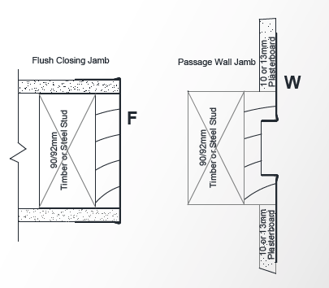
 | Plan View | Bulkhead Detail | Full-Height Detail
Euro Cav Square-Set | Click to view | Click to view | Click to view
Euro Cav Shadowline | Click to view | Click to view | Click to view
Euro Cav Architrave | Click to view | Click to view | Click to view

Closing Jamb Types
Rebated (Standard Option) |  |  |  | Flush | Passage Wall Jamb

